AUC Tem
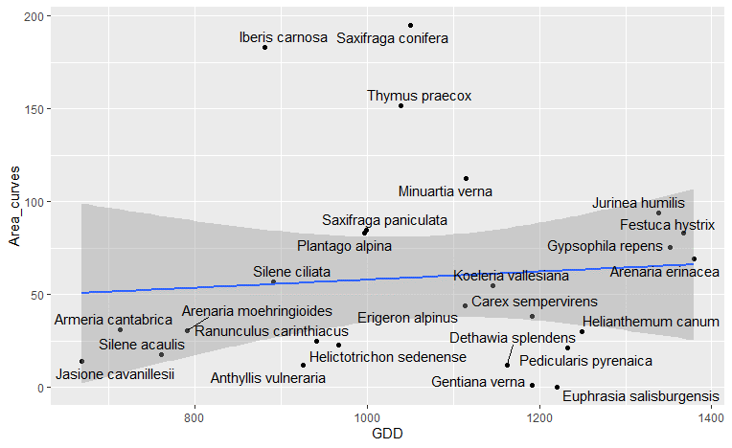
Call:
lm(formula = Area_curves ~ GDD, data = sp_picos)
Coefficients:
Estimate Std. Error t value Pr(>|t|)
(Intercept) 45.480406 56.299038 0.808 0.426
GDD 0.004085 0.051311 0.080 0.937
Adjusted R-squared: -0.03548

Call:
lm(formula = Area_curves ~ FDD, data = sp_picos)
Coefficients:
Estimate Std. Error t value Pr(>|t|)
(Intercept) 51.2052 22.6795 2.258 0.0333 *
FDD 0.2007 0.4951 0.405 0.6888
Adjusted R-squared: -0.03458

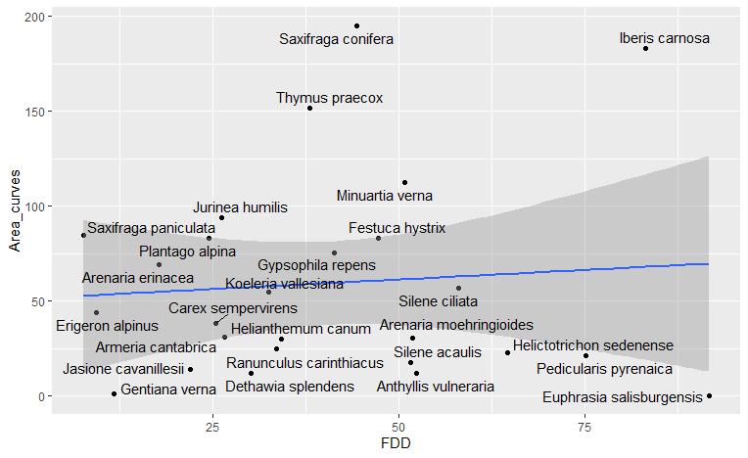
Call:
lm(formula = Area_curves ~ Snw, data = sp_picos)
Coefficients:
Estimate Std. Error t value Pr(>|t|)
(Intercept) 39.9979 46.4514 0.861 0.398
Snw 0.2004 0.4687 0.427 0.673
Adjusted R-squared: -0.0338

Call:
lm(formula = Area_curves ~ FDD + GDD + Snw, data = sp_picos)
Coefficients:
Estimate Std. Error t value Pr(>|t|)
(Intercept) -23.64768 95.61737 -0.247 0.807
FDD 0.35539 0.54803 0.648 0.523
GDD 0.03169 0.05572 0.569 0.575
Snw 0.36121 0.52439 0.689 0.498
Adjusted R-squared: -0.09556

MCMC-GLMM
post.mean l-95% CI u-95% CI eff.samp pMCMC
(Intercept) -16.59917 -221.55673 176.97679 9000 0.857
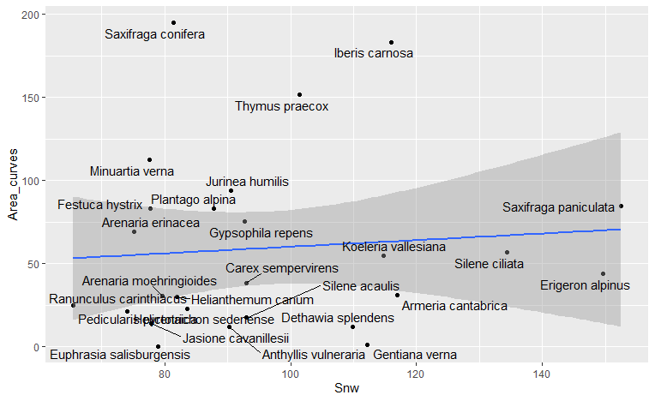
FDD 0.31219 -0.84993 1.47538 9000 0.587
GDD 0.03580 -0.07564 0.15719 9000 0.534
Snw 0.25814 -0.77149 1.40264 8644 0.636

AUC Med
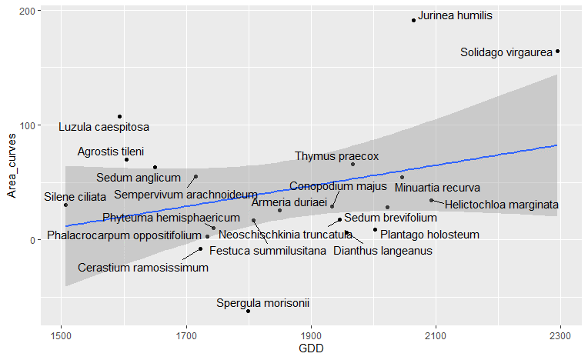
Call:
lm(formula = Area_curves ~ GDD, data = sp_villa)
Coefficients:
Estimate Std. Error t value Pr(>|t|)
(Intercept) -123.18593 116.46044 -1.058 0.303
GDD 0.08958 0.06229 1.438 0.167
Adjusted R-squared: 0.05069

Call:
lm(formula = Area_curves ~ FDD, data = sp_villa)
Coefficients:
Estimate Std. Error t value Pr(>|t|)
(Intercept) 33.357 22.191 1.503 0.149
FDD 0.596 1.086 0.549 0.590
Adjusted R-squared: -0.03621

Call:
lm(formula = Area_curves ~ Snw, data = sp_villa)
Coefficients:
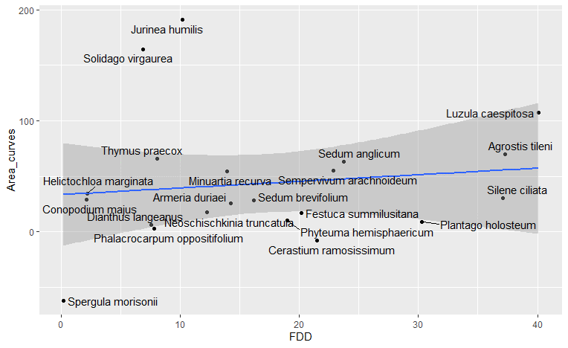
Estimate Std. Error t value Pr(>|t|)
(Intercept) 45.9726 26.1554 1.758 0.0949 .
Snw -0.1205 1.0706 -0.113 0.9116
Adjusted R-squared: -0.05193

Call:
lm(formula = Area_curves ~ FDD + GDD + Snw, data = sp_villa)
Coefficients:
Estimate Std. Error t value Pr(>|t|)
(Intercept) -3.778e+02 1.718e+02 -2.200 0.0419 *
FDD 2.806e+00 1.476e+00 1.901 0.0744 .
GDD 2.010e-01 8.129e-02 2.473 0.0243 *
Snw 8.997e-03 1.378e+00 0.007 0.9949
Adjusted R-squared: 0.169

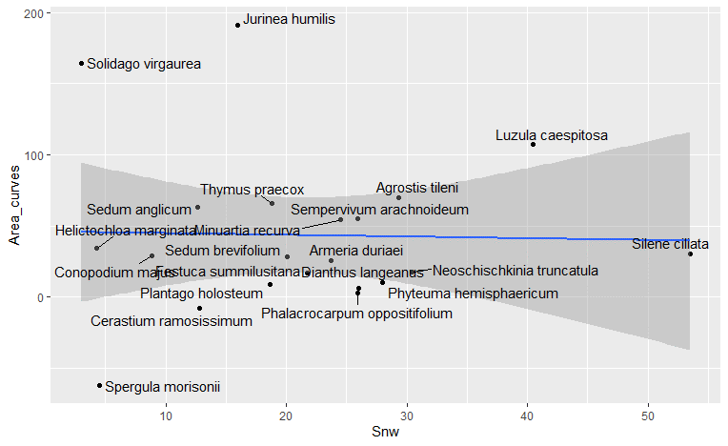
MCMC-GLMM
post.mean l-95% CI u-95% CI eff.samp pMCMC
(Intercept) -332.87797 -670.58263 30.47943 9756 0.0627 .
FDD 2.80798 -0.28528 5.74112 9000 0.0691 .
GDD 0.17726 0.01110 0.34236 9188 0.0384 *
Snw -0.03703 -2.78022 2.69737 9000 0.9689

